Indices

 | Iraq Stock Exchange
 | Bulletin No (78)
 | ISX Trading Indices of Tuesday 5/5/2026

 | Traded Volume and OTC |  | 14,080,540,019 |  | Traded Value and OTC |  | 2,669,688,453 |  | Traders | 1304
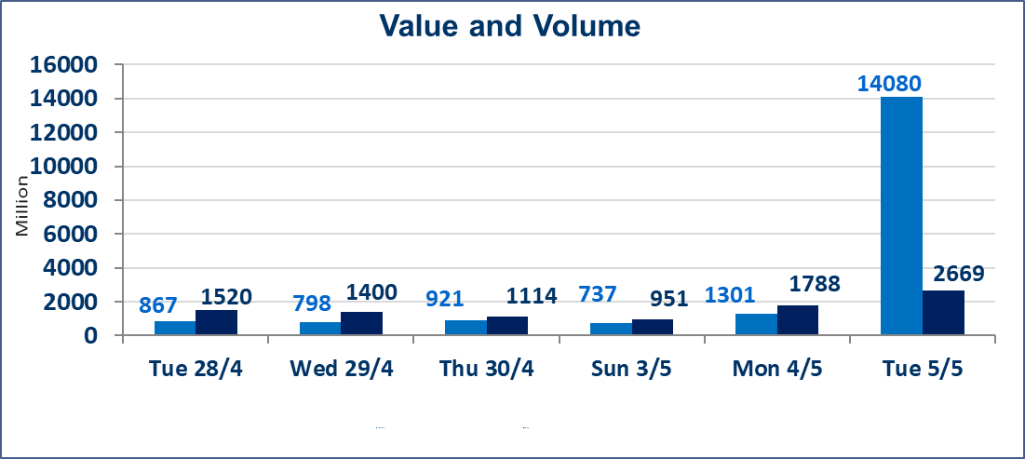
 | ISX Index 60 |  |  | 984.28 | ISX Index 15 |  |  | 1260.13
 | Previous ISX Index60 |  |  | 987.99 | Previous ISX Index15 |  |  | 1265.61
 | Change % |  |  | -0.38 | Change % |  |  | -0.43
 | Change |  |  | -3.71 | Change |  |  | -5.48

 | Listed Companies | 104 | OTC | 14 | Non Traded listed | 52 | OTC | 13
 | Traded Listed Companies | 41 | OTC | 1 | Higher Companies |  |  | 8
 | GAM Companies |  |  | 2 | Lower Companies |  |  | 12
 | Suspended Companies |  |  | 9
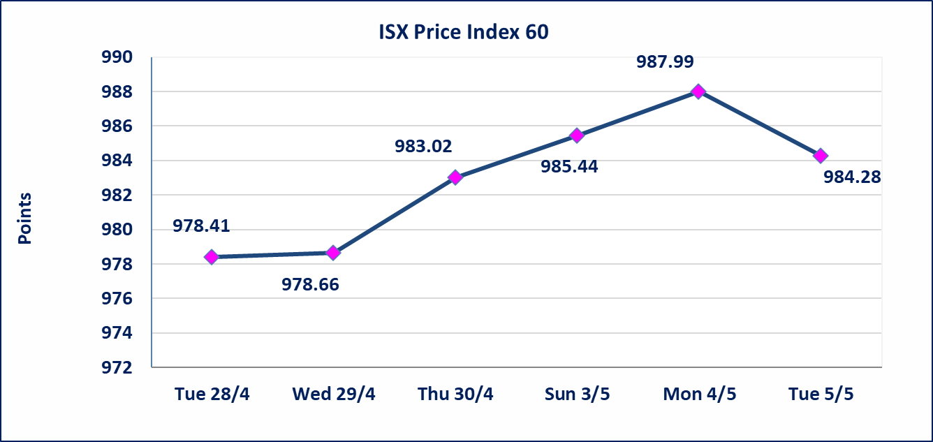
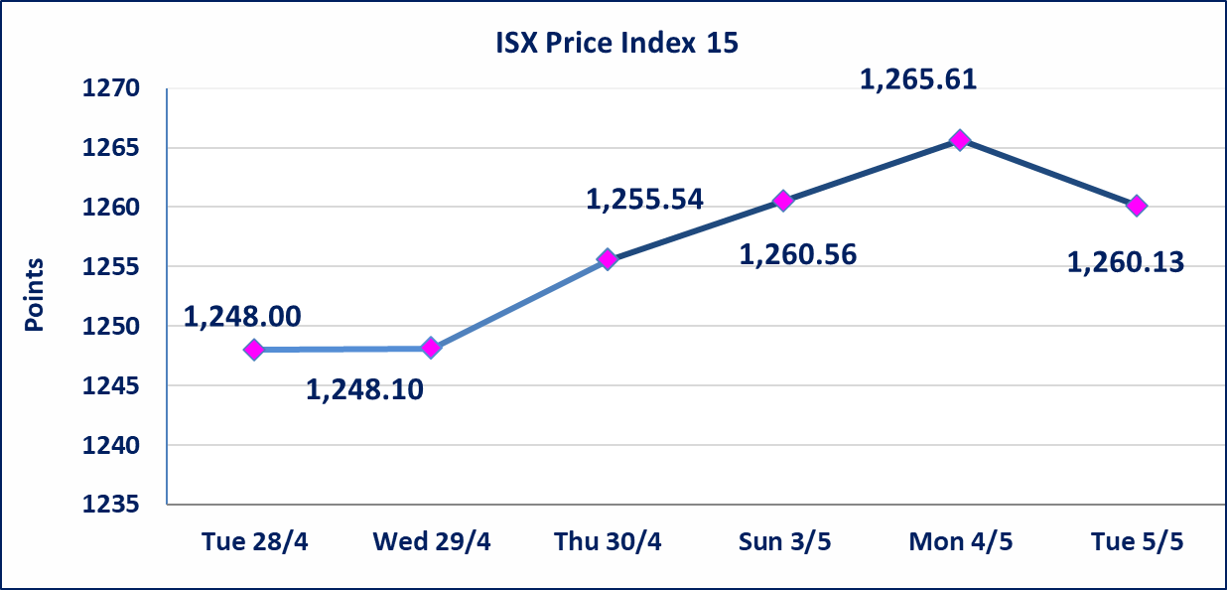

 | special orders | Noor Al-Wamidh Brokerage Company executed a deliberate cross order on the shares of Erbil Bank with a number of shares (12,671,500,000) shares with a value of (1,393,865,000) IQD, during the additional session time (after 1 pm) in accordance with the procedures for executing large transactions.
Al-Alwiya P.O . 3607 Mobile: 07711211522 - 07270094594 - 07834000034 E-mail: info-isx@isx-iq.net Web site:www.isx-iq.net

Top 5
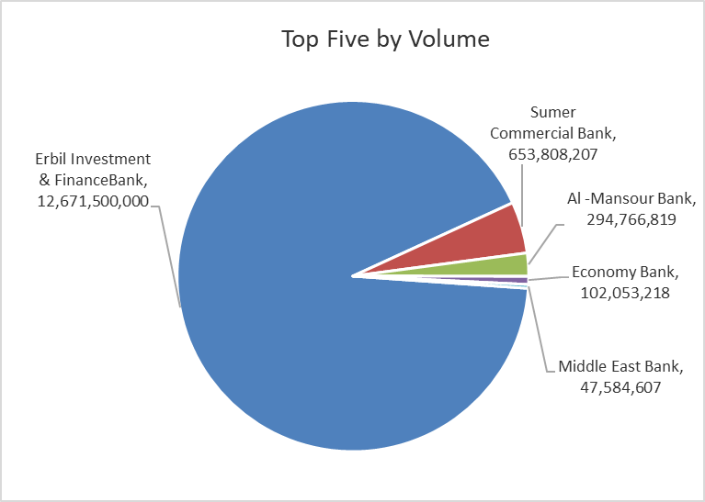
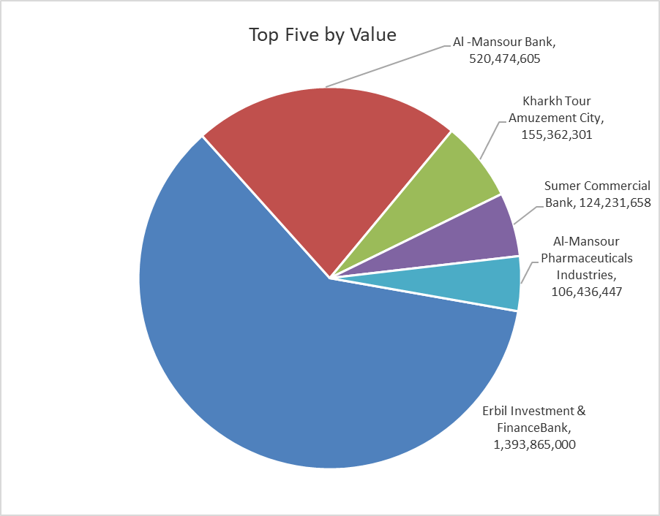

ISX top ganing and losing companies
Tuesday 5/5/2026
 | Gainers |  |  |  | Losers
 | Company Name | Closing Price | Change (%) | Traded Volume | Company Name | Closing Price | Change (%) | Traded Volume
 | Rehab Karbalaa | 0.650 | 4.84 | 1,000 | Kharkh Tour Amuzement City | 4.580 | -3.58 | 33,925,066
 | Ashur International Bank | 0.240 | 4.35 | 28,873,332 | Gulf Commercial Bank | 0.350 | -2.78 | 41,250,682
 | Investment Bank of Iraq | 0.240 | 4.35 | 36,311,735 | Iraqi Islamic Bank | 1.070 | -1.83 | 7,772,178
 | Al-Mansour Pharmaceuticals Industries | 2.330 | 2.19 | 46,123,895 | Kurdistan International Bank | 1.080 | -1.82 | 1,066,667
 | Al-Khatam Telecom | 3.800 | 1.33 | 645,038 | Al -Mansour Bank | 1.770 | -1.67 | 294,766,819
 | The most active companies in term of traded volume and value

 | Traded Volume |  |  |  | Traded Value
 | Company Name | Closing Price | Change (%) | Traded Volume | Company Name | Closing Price | Change (%) | Traded Value
 | Erbil Investment & FinanceBank | 0.110 | 0.00 | 12,671,500,000 | Erbil Investment & FinanceBank | 0.110 | 0.00 | 1,393,865,000
 | Sumer Commercial Bank | 0.200 | 0.00 | 653,808,207 | Al -Mansour Bank | 1.770 | -1.67 | 520,474,605
 | Al -Mansour Bank | 1.770 | -1.67 | 294,766,819 | Kharkh Tour Amuzement City | 4.580 | -3.58 | 155,362,301
 | Economy Bank | 0.230 | 0.00 | 102,053,218 | Sumer Commercial Bank | 0.200 | 0.00 | 124,231,658
 | Middle East Bank | 0.090 | 0.00 | 47,584,607 | Al-Mansour Pharmaceuticals Industries | 2.330 | 2.19 | 106,436,447

Non Iraqis

Iraq Stock Exchange
Non Iraqis' Bulletin Tuesday May 5 2026
Regular Market

Non Iraqi Trading of Regular Market (Buy)
Company Names | Code | No.of trades | Traded Shares | Trading Volume
Banks Sector
National Bank Of Iraq | BNOI | 3 | 1,000,000 | 4,000,000
Total Bank sector |  | 3 | 1,000,000 | 4,000,000
Grand Total |  | 3 | 1,000,000 | 4,000,000

Non Iraqi Trading of Regular Market (Sell)
Company Names | Code | No.of trades | Traded Shares | Trading Volume
Banks Sector
Iraqi Middle East Investment Bank | BIME | 1 | 200,000 | 16,000
Ashur International Bank | BASH | 2 | 450,000 | 103,500
Kurdistan International Bank | BKUI | 1 | 1,066,667 | 1,152,000
Total Bank sector |  | 4 | 1,716,667 | 1,271,500
Telecommunication Sector
Asia cell | TASC | 2 | 190,786 | 3,254,809
Total Telecommunication sector |  | 2 | 190,786 | 3,254,809
Grand Total |  | 6 | 1,907,453 | 4,526,310

Non Iraqi Trading of Second Market (Sell)
Company Names | Code | No.of trades | Traded Shares | Trading Volume
Banks Sector
Credit Bank Of Iraq | BROI | 2 | 763,341 | 427,645
Total Bank sector |  | 2 | 763,341 | 427,645
Grand Total |  | 2 | 763,341 | 427,645

Non Iraqi Trading of Undisclosed Platform (BUY)
Company Names | Code | No.of trades | Traded Shares | Trading Volume
Hotel Sector
Palestine Hotel | HPAL | 2 | 800,000 | 14,792,000
Total Hotel Sector |  | 2 | 800,000 | 14,792,000
Grand Total |  | 2 | 800,000 | 14,792,000

Not Trading Bonds

Iraq Stock Exchange
Tuesday 5/5/2026
Not Trading Bonds Bulletin
Bond type | Publish type | Code | last trading price | immortilize date
Banaa Bonds /Million ID | Second | CB20 | 964,981 | 19/12/2025
Eamar Bonds /Million ID | First | CB30 | 1,001,095 | ــــــــــــــــ
Eamar Bonds /Million ID | Second | CB40 | ــــــــــــــــ | ــــــــــــــــ
Eamar Bonds /500 Thousand ID | Third | CB45 | ــــــــــــــــ | ــــــــــــــــ
Eamar Bonds /Million ID | Third | CB50 | ــــــــــــــــ | ــــــــــــــــ
Injaz Bonds /500 Thousand ID | First | CB55 | ــــــــــــــــ | ــــــــــــــــ
Injaz Bonds /Million ID | First | CB60 | 951,110 | ــــــــــــــــ
Injaz Bonds /500 Thousand ID | Second | CB65 | 507,301 | ــــــــــــــــ
Injaz Bonds /Million ID | Second | CB70 | 965,050 | ــــــــــــــــ
Injaz Bonds /500 Thousand ID | Third | CB75 | ــــــــــــــــ | ــــــــــــــــ
Injaz Bonds /Million ID | Third | CB80 | 978,182 | ــــــــــــــــ
National Bonds/Million ID | First | CB90 | ــــــــــــــــ | ــــــــــــــــ
National Bonds/500 Thousand ID | Second | CB95 | ــــــــــــــــ | ــــــــــــــــ
National Bonds/Million ID | Second | CB100 | ــــــــــــــــ | ــــــــــــــــ

